Введние
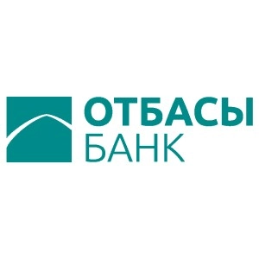

ESG Databook

Reporting period: 2023 (for 7 months, unless otherwise provided in the text)

On ESG Databook

ESG Databook discloses key quantitative indicators in the field of sustainable development of Otbasy Bank JSC for 7 months of 2023 (unless otherwise provided in the text), and also presents, as applicable, historical data and performance trends based on consolidated social, environmental and economic data.
This document complements the information provided in the annual Sustainable Development Report and includes data that cannot be presented in the Report due to volume constraints. Additional data may be provided upon request.
The data is presented using the metric system and KZT, unless otherwise indicated. Some figures and percentages may be rounded and may not add up to a total figure or 100%.
Changes in data and repeated reports may occur throughout the year due to improved reporting or collection methods and will be noted with an explanation of the recalculation.

See our Sustainable Development Report for more information about our reporting methodology

If you have any questions or feedback regarding our sustainable development data, our Sustainable Development Report, and any other related disclosure, please email us at mail@otbasybank.kz

Date of publication:

