Introduction
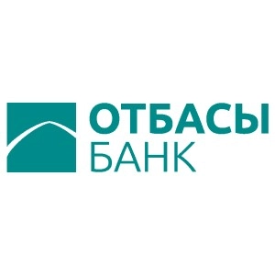

ESG Databook

Reporting period: 2023

About ESG Databook

ESG Databook discloses key quantitative indicators in the field of sustainable development of Otbasy Bank JSC for 2023, and also provides, where possible, historical data and performance trends based on consolidated social, environmental and economic data.
This document complements the information we provide in the annual Sustainability Report and includes data that cannot be presented in the Report due to volume constraints. Additional data can be provided upon request.
The data is presented using the metric system and Kazakhstani tenge, unless otherwise indicated. Some figures and percentages may be rounded and may not add up to a total figure or 100%.
Changes in data and repeated reports may occur throughout the year due to improved reporting or collection methods and will be noted with an explanation of the recalculation.

For more information about our reporting methodology, see our Sustainability Report

If you have any questions or feedback about our sustainability data, our sustainability report, and any other related disclosure, please email us at mail@otbasybank.kz

Date of publication:

